Daily Power Station Chart_14-01
Plant_08/01/2025Chart

Plant:odco1 |  |  | Installed Capacity:111.180kWp
Today Yield(kWh):546.000kWh |  | Today Earning:218400.000TND |  | Today Full Load Hours(h):4.91h

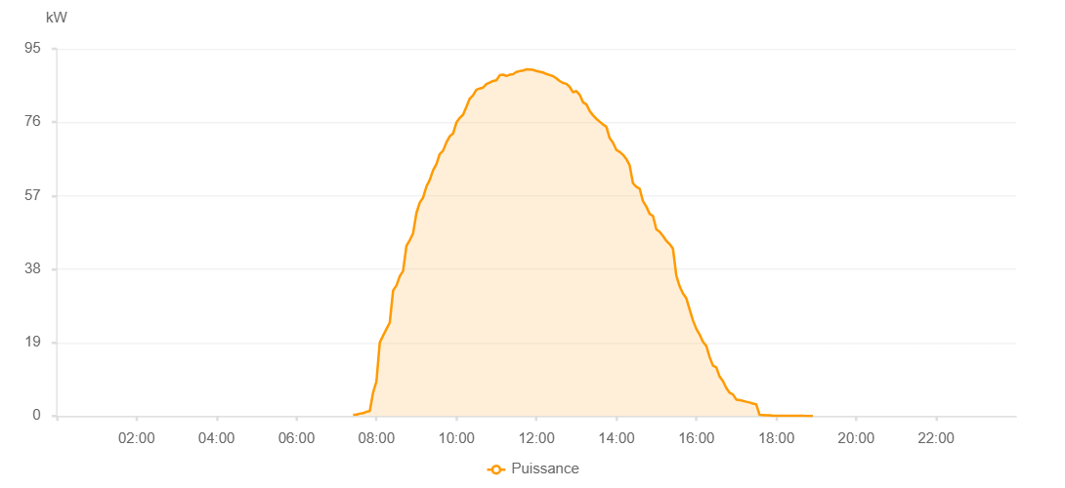

Number | Time | Working State | PV(W) | Instantaneous Radiation(W/㎡)
1 | 07:25:00 | Online | 320.00000 | 0
2 | 07:30:00 | Online | 360.00000 | 1.00000
3 | 07:35:00 | Online | 600.00000 | 2.00000
4 | 07:40:00 | Online | 740.00000 | 4.00000
5 | 07:45:00 | Online | 1110.00000 | 8.00000
6 | 07:50:00 | Online | 1280.00000 | 9.00000
7 | 07:55:00 | Online | 6100.00000 | 154.00000
8 | 08:00:00 | Online | 8960.00000 | 193.00000
9 | 08:05:00 | Online | 19030.00000 | 193.00000
10 | 08:10:00 | Online | 20810.00000 | 223.00000
11 | 08:15:00 | Online | 22500.00000 | 262.00000
12 | 08:20:00 | Online | 24180.00000 | 292.00000
13 | 08:25:00 | Online | 32480.00000 | 347.00000
14 | 08:30:00 | Online | 33740.00000 | 347.00000
15 | 08:35:00 | Online | 36190.00000 | 376.00000
16 | 08:40:00 | Online | 37520.00000 | 426.00000
17 | 08:45:00 | Online | 44040.00000 | 426.00000
18 | 08:50:00 | Online | 45460.00000 | 445.00000
19 | 08:55:00 | Online | 47300.00000 | 470.00000
20 | 09:00:00 | Online | 52520.00000 | 517.00000
21 | 09:05:00 | Online | 55200.00000 | 535.00000
22 | 09:10:00 | Online | 56500.00000 | 535.00000
23 | 09:15:00 | Online | 59390.00000 | 551.00000
24 | 09:20:00 | Online | 61070.00000 | 570.00000
25 | 09:25:00 | Online | 63580.00000 | 589.00000
26 | 09:30:00 | Online | 65190.00000 | 611.00000
27 | 09:35:00 | Online | 67790.00000 | 626.00000
28 | 09:40:00 | Online | 68640.00000 | 643.00000
29 | 09:45:00 | Online | 70790.00000 | 656.00000
30 | 09:50:00 | Online | 72360.00000 | 687.00000
31 | 09:55:00 | Online | 73090.00000 | 687.00000
32 | 10:00:00 | Online | 75920.00000 | 715.00000
33 | 10:05:00 | Online | 77120.00000 | 715.00000
34 | 10:10:00 | Online | 77960.00000 | 739.00000
35 | 10:15:00 | Online | 79990.00000 | 739.00000
36 | 10:20:00 | Online | 82100.00000 | 763.00000
37 | 10:25:00 | Online | 82970.00000 | 763.00000
38 | 10:30:00 | Online | 84440.00000 | 770.00000
39 | 10:35:00 | Online | 84730.00000 | 789.00000
40 | 10:40:00 | Online | 84960.00000 | 789.00000
41 | 10:45:00 | Online | 85900.00000 | 809.00000
42 | 10:50:00 | Online | 86270.00000 | 809.00000
43 | 10:55:00 | Online | 86690.00000 | 818.00000
44 | 11:00:00 | Online | 86850.00000 | 832.00000
45 | 11:05:00 | Online | 88160.00000 | 834.00000
46 | 11:10:00 | Online | 88300.00000 | 834.00000
47 | 11:15:00 | Online | 87970.00000 | 839.00000
48 | 11:20:00 | Online | 88290.00000 | 843.00000
49 | 11:25:00 | Online | 88430.00000 | 844.00000
50 | 11:30:00 | Online | 89000.00000 | 849.00000
51 | 11:35:00 | Online | 89220.00000 | 849.00000
52 | 11:40:00 | Online | 89390.00000 | 856.00000
53 | 11:45:00 | Online | 89670.00000 | 856.00000
54 | 11:50:00 | Online | 89620.00000 | 860.00000
55 | 11:55:00 | Online | 89550.00000 | 860.00000
56 | 12:00:00 | Online | 89260.00000 | 859.00000
57 | 12:05:00 | Online | 89080.00000 | 859.00000
58 | 12:10:00 | Online | 88880.00000 | 860.00000
59 | 12:15:00 | Online | 88490.00000 | 852.00000
60 | 12:20:00 | Online | 88220.00000 | 852.00000
61 | 12:25:00 | Online | 87940.00000 | 853.00000
62 | 12:30:00 | Online | 87360.00000 | 846.00000
63 | 12:35:00 | Online | 86670.00000 | 846.00000
64 | 12:40:00 | Online | 86170.00000 | 840.00000
65 | 12:45:00 | Online | 85950.00000 | 837.00000
66 | 12:50:00 | Online | 85150.00000 | 829.00000
67 | 12:55:00 | Online | 83750.00000 | 819.00000
68 | 13:00:00 | Online | 84070.00000 | 813.00000
69 | 13:05:00 | Online | 83120.00000 | 813.00000
70 | 13:10:00 | Online | 81160.00000 | 807.00000
71 | 13:15:00 | Online | 80640.00000 | 795.00000
72 | 13:20:00 | Online | 78930.00000 | 785.00000
73 | 13:25:00 | Online | 77800.00000 | 768.00000
74 | 13:30:00 | Online | 76900.00000 | 762.00000
75 | 13:35:00 | Online | 76150.00000 | 747.00000
76 | 13:40:00 | Online | 75420.00000 | 725.00000
77 | 13:45:00 | Online | 74840.00000 | 715.00000
78 | 13:50:00 | Online | 71870.00000 | 701.00000
79 | 13:55:00 | Online | 70680.00000 | 701.00000
80 | 14:00:00 | Online | 68850.00000 | 686.00000
81 | 14:05:00 | Online | 68330.00000 | 678.00000
82 | 14:10:00 | Online | 67580.00000 | 646.00000
83 | 14:15:00 | Online | 66490.00000 | 646.00000
84 | 14:20:00 | Online | 64840.00000 | 636.00000
85 | 14:25:00 | Online | 60220.00000 | 622.00000
86 | 14:30:00 | Online | 59300.00000 | 606.00000
87 | 14:35:00 | Online | 58820.00000 | 571.00000
88 | 14:40:00 | Online | 55560.00000 | 571.00000
89 | 14:45:00 | Online | 54190.00000 | 540.00000
90 | 14:50:00 | Online | 52300.00000 | 523.00000
91 | 14:55:00 | Online | 51770.00000 | 505.00000
92 | 15:00:00 | Online | 48290.00000 | 488.00000
93 | 15:05:00 | Online | 47630.00000 | 472.00000
94 | 15:10:00 | Online | 46570.00000 | 472.00000
95 | 15:15:00 | Online | 45320.00000 | 435.00000
96 | 15:20:00 | Online | 44480.00000 | 435.00000
97 | 15:25:00 | Online | 43300.00000 | 393.00000
98 | 15:30:00 | Online | 36340.00000 | 393.00000
99 | 15:35:00 | Online | 33560.00000 | 372.00000
100 | 15:40:00 | Online | 31670.00000 | 338.00000
101 | 15:45:00 | Online | 30470.00000 | 338.00000
102 | 15:50:00 | Online | 27570.00000 | 317.00000
103 | 15:55:00 | Online | 24720.00000 | 45.00000
104 | 16:00:00 | Online | 22570.00000 | 37.00000
105 | 16:05:00 | Online | 21070.00000 | 37.00000
106 | 16:10:00 | Online | 19180.00000 | 35.00000
107 | 16:15:00 | Online | 18140.00000 | 35.00000
108 | 16:20:00 | Online | 15250.00000 | 34.00000
109 | 16:25:00 | Online | 13040.00000 | 31.00000
110 | 16:30:00 | Online | 12610.00000 | 30.00000
111 | 16:35:00 | Online | 10210.00000 | 28.00000
112 | 16:40:00 | Online | 9010.00000 | 27.00000
113 | 16:45:00 | Online | 7240.00000 | 24.00000
114 | 16:50:00 | Online | 6010.00000 | 24.00000
115 | 16:55:00 | Online | 5570.00000 | 21.00000
116 | 17:00:00 | Online | 4250.00000 | 17.00000
117 | 17:05:00 | Online | 4130.00000 | 15.00000
118 | 17:10:00 | Online | 3910.00000 | 15.00000
119 | 17:15:00 | Online | 3690.00000 | 10.00000
120 | 17:20:00 | Online | 3500.00000 | 10.00000
121 | 17:25:00 | Online | 3230.00000 | 5.00000
122 | 17:30:00 | Online | 3020.00000 | 5.00000
123 | 17:35:00 | Online | 290.00000 | 2.00000
124 | 17:40:00 | Online | 230.00000 | 0
125 | 17:45:00 | Online | 160.00000 | 0
126 | 17:50:00 | Online | 190.00000 | 0
127 | 17:55:00 | Online | 40.00000 | 0
128 | 18:00:00 | Online | 40.00000 | 0
129 | 18:05:00 | Online | 40.00000 | 0
130 | 18:10:00 | Online | 40.00000 | 0
131 | 18:15:00 | Online | 40.00000 | 0
132 | 18:20:00 | Online | 40.00000 | 0
133 | 18:25:00 | Online | 40.00000 | 0
134 | 18:30:00 | Online | 40.00000 | 0
135 | 18:35:00 | Online | 40.00000 | 0
136 | 18:40:00 | Online | 40.00000 | 0
137 | 18:45:00 | Online | 20.00000 | 0
138 | 18:50:00 | Online | 20.00000 | 0
139 | 18:55:00 | Online | 20.00000 | 0
140 | 19:20:00 | Online | 0.00001 | 0.00001

